NWH4000VIS
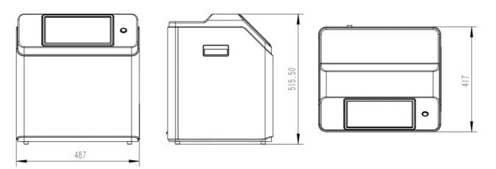
NWH4000VIS Hyperspectral Colorimeter |  | Return
Module | FunctionDescription/Technical Specifications
Color Measurement Parameters | Measurement Area: 20cm * 30cm
 | Color Difference (ΔE*Lab): Resolution of 0.3
Hyperspectral Camera | Spectral Range: 400-780nm
 | Spectral Resolution: 2nm
 | Spatial Resolution: 0.44mm
 | Data Bit Depth: 12bit
Light Source | Broadband Light Source
Processing Platform | 14-core Processor, 3.7/5.0GHz, 20 Threads
 | PCIe 4.0 SSD, 2TB
 | Fully Capacitive Touch Display
Interfaces | USB 3.0 * 2
 | 1000Mbps LAN * 1
Electrical Parameters | Power Supply: AC 220V ~ 50Hz
 | Maximum Power Consumption: 650W
Environmental Parameters | Operating Temperature: 0℃ ~ 50℃, Storage Temperature: -20℃ ~ 70℃
 | Humidity: 20% ~ 95% RH (non-condensing)
Others | Built-in Motor Battery, Supports One-Button Closing of the Chamber
 | Weight: ~23kg

NWH4000VNIR
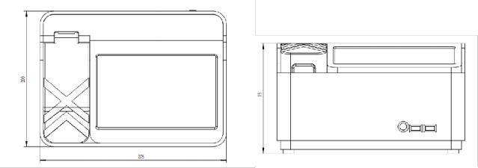
NWH4000VNIR Desktop Broadband Spectral Imager |  | Return
Module | Function Description/Technical Specifications
Spectral | Spectral Range: 350-1700nm
 | Spectral Resolution: ≤2nm (350-900nm), ≤10nm (900-1700nm)
Light Source | Built-in Broadband Transmission and Reflection Light Source
Sample Dimensions | Diameter: ≤5cm, Thickness: ≤8mm
Main Unit | Fully Capacitive Touch Display
 | Built-in Storage Capacity: 512GB (supports up to 2TB)
Interfaces | USB 3.0 * 2
Electrical Parameters | Power Supply: AC 220V ~ 50Hz
 | Maximum Power Consumption: ≤35W
Environmental Parameters | Operating Temperature: 0℃ ~ 50℃, Storage Temperature: -20℃ ~ 70℃
 | Humidity: 20% ~ 95% RH (non-condensing)
Other | Dimensions: 275200161mm
 | Weight: ~3kg

